D1-MA-B0
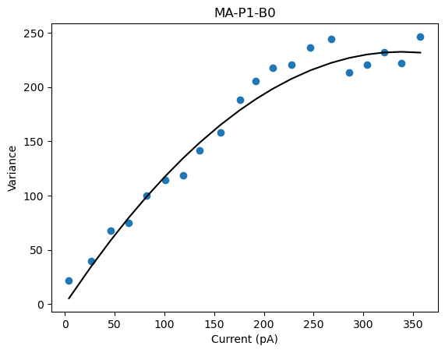
D1-MA-P1-BO
 | Pool Number | Unitary Current (i) | Channels (n)
 | 1 | 1.374 | 8371.395

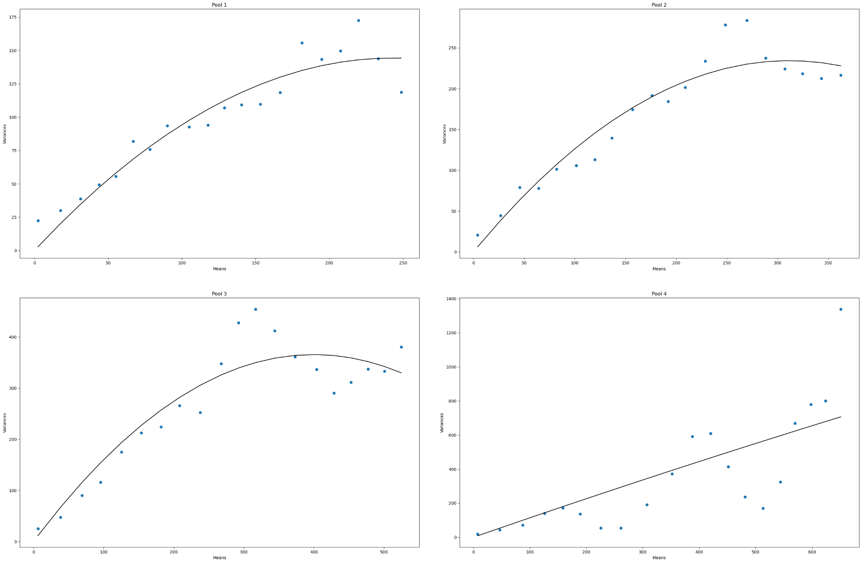
D1-MA-P4-BO
 | Pool Number | Unitary Current (i) | Channels (n)
 | 1 | 1.186 | 410.09
 | 2 | 1.504 | 413.908
 | 3 | 1.83 | 436.799
 | 4 | 1.151 | N/A

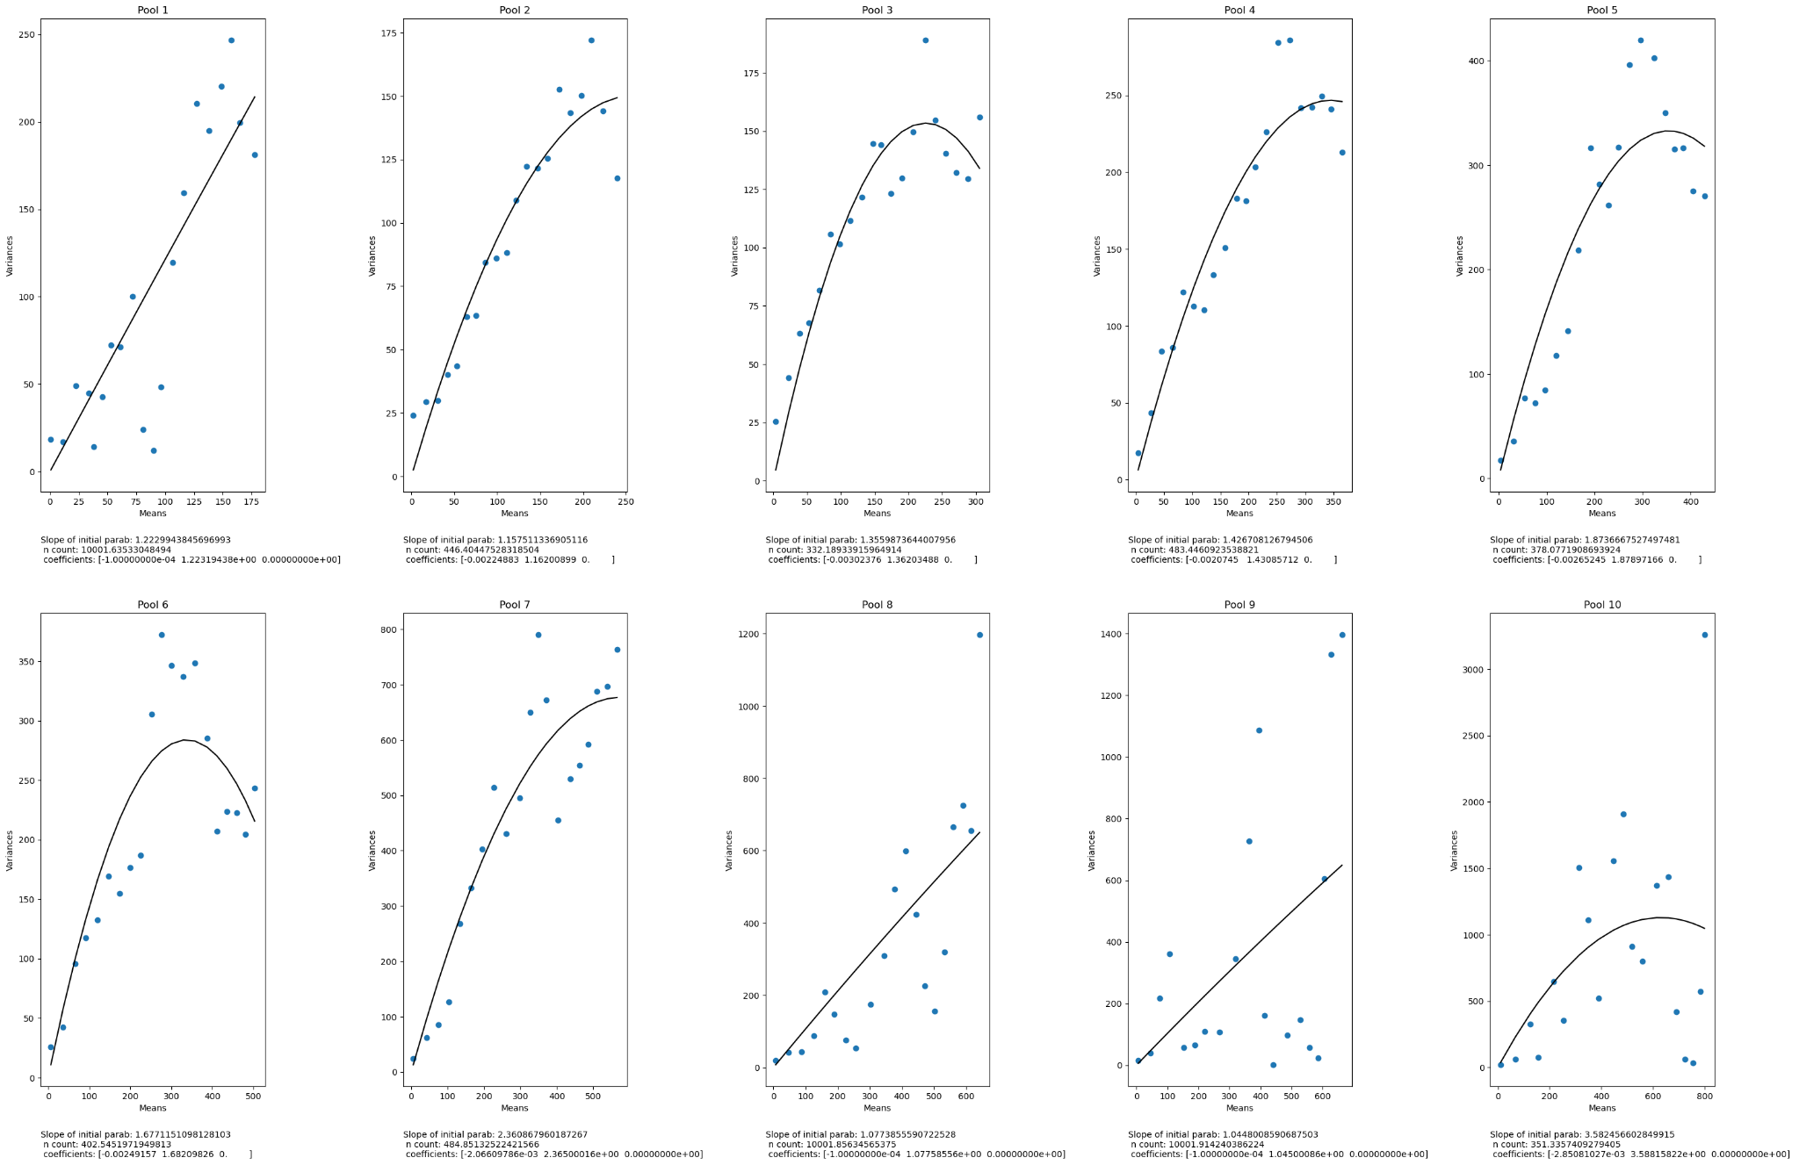
D1-MA-P10-BO
 | Pool Number | Unitary Current (i) | Channels (n)
 | 1 | 1.223 | N/A
 | 2 | 1.148 | 446
 | 3 | 1.356 | 332
 | 4 | 1.427 | 483
 | 5 | 1.874 | 378
 | 6 | 1.677 | 402
 | 7 | 2.361 | 484
 | 8 | 1.077 | N/A
 | 9 | 1.045 | N/A
 | 10 | 3.583 | 351

D1-MB-BO
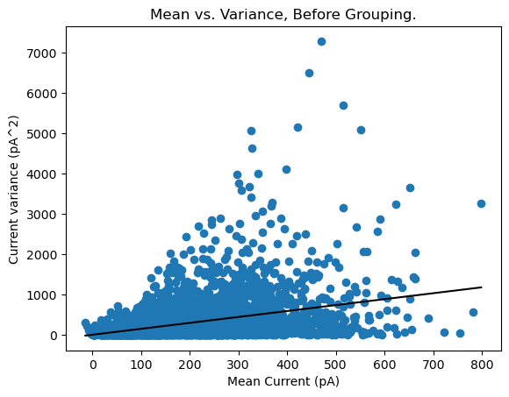
D1-MB-P1-BO
 | Pool Number | Unitary Current (i) | Channels (n)
 | 1 | 1.474 | N/A

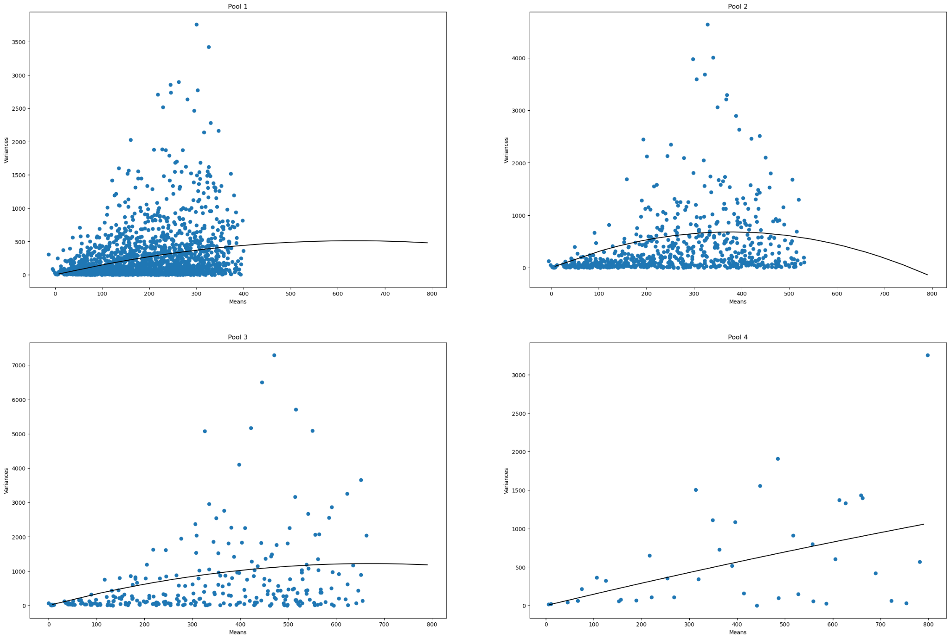
D1-MB-P4-BO
 | Pool Number | Unitary Current (i) | Channels (n)
 | 1 | 1.612 | 787
 | 2 | 3.617 | 209
 | 3 | 3.632 | 370
 | 4 | 1.489 | N/A

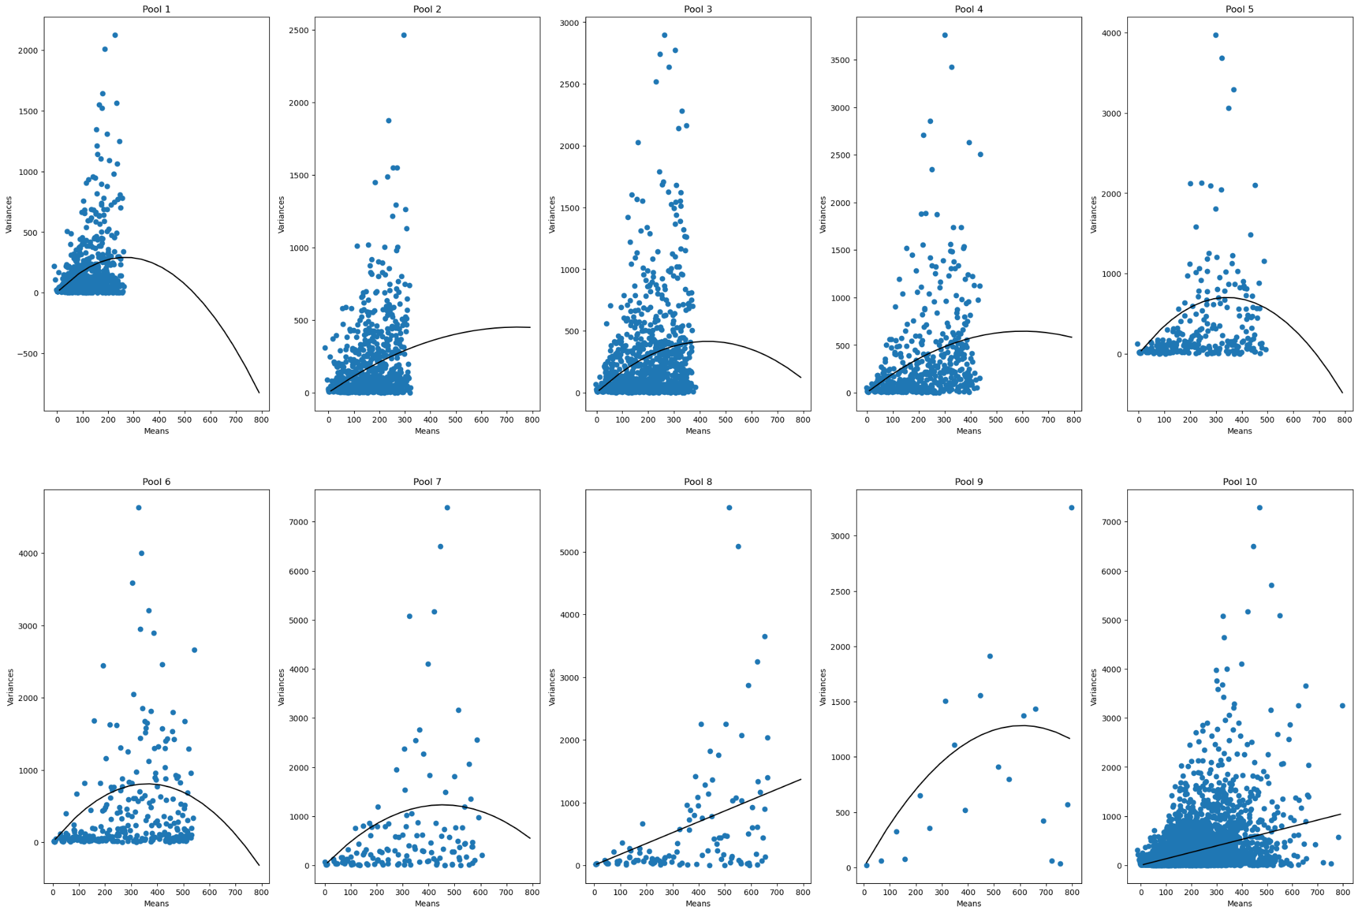
D1-MB-P10-BO
 | Pool Number | Unitary Current (i) | Channels (n)
 | 1 | 2.183 | 245
 | 2 | 1.216 | 1222
 | 3 | 1.934 | 444
 | 4 | 2.147 | 560
 | 5 | 4.088 | 168
 | 6 | 4.467 | 162
 | 7 | 5.43 | 166
 | 8 | 1.733 | N/A
 | 9 | 4.226 | 287
 | 10 | 1.314 | N/A

D1-MB-B20
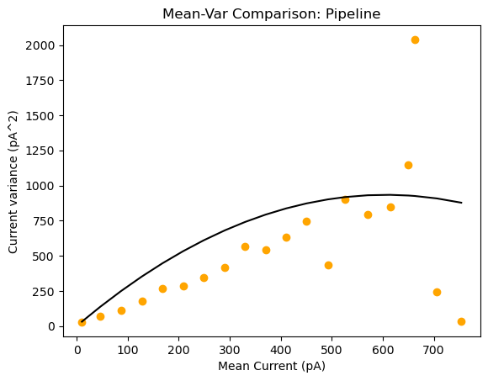
D1-MB-P1-B20
 | Pool Number | Unitary Current (i) | Channels (n)
 | 1 | 3.084 | 392

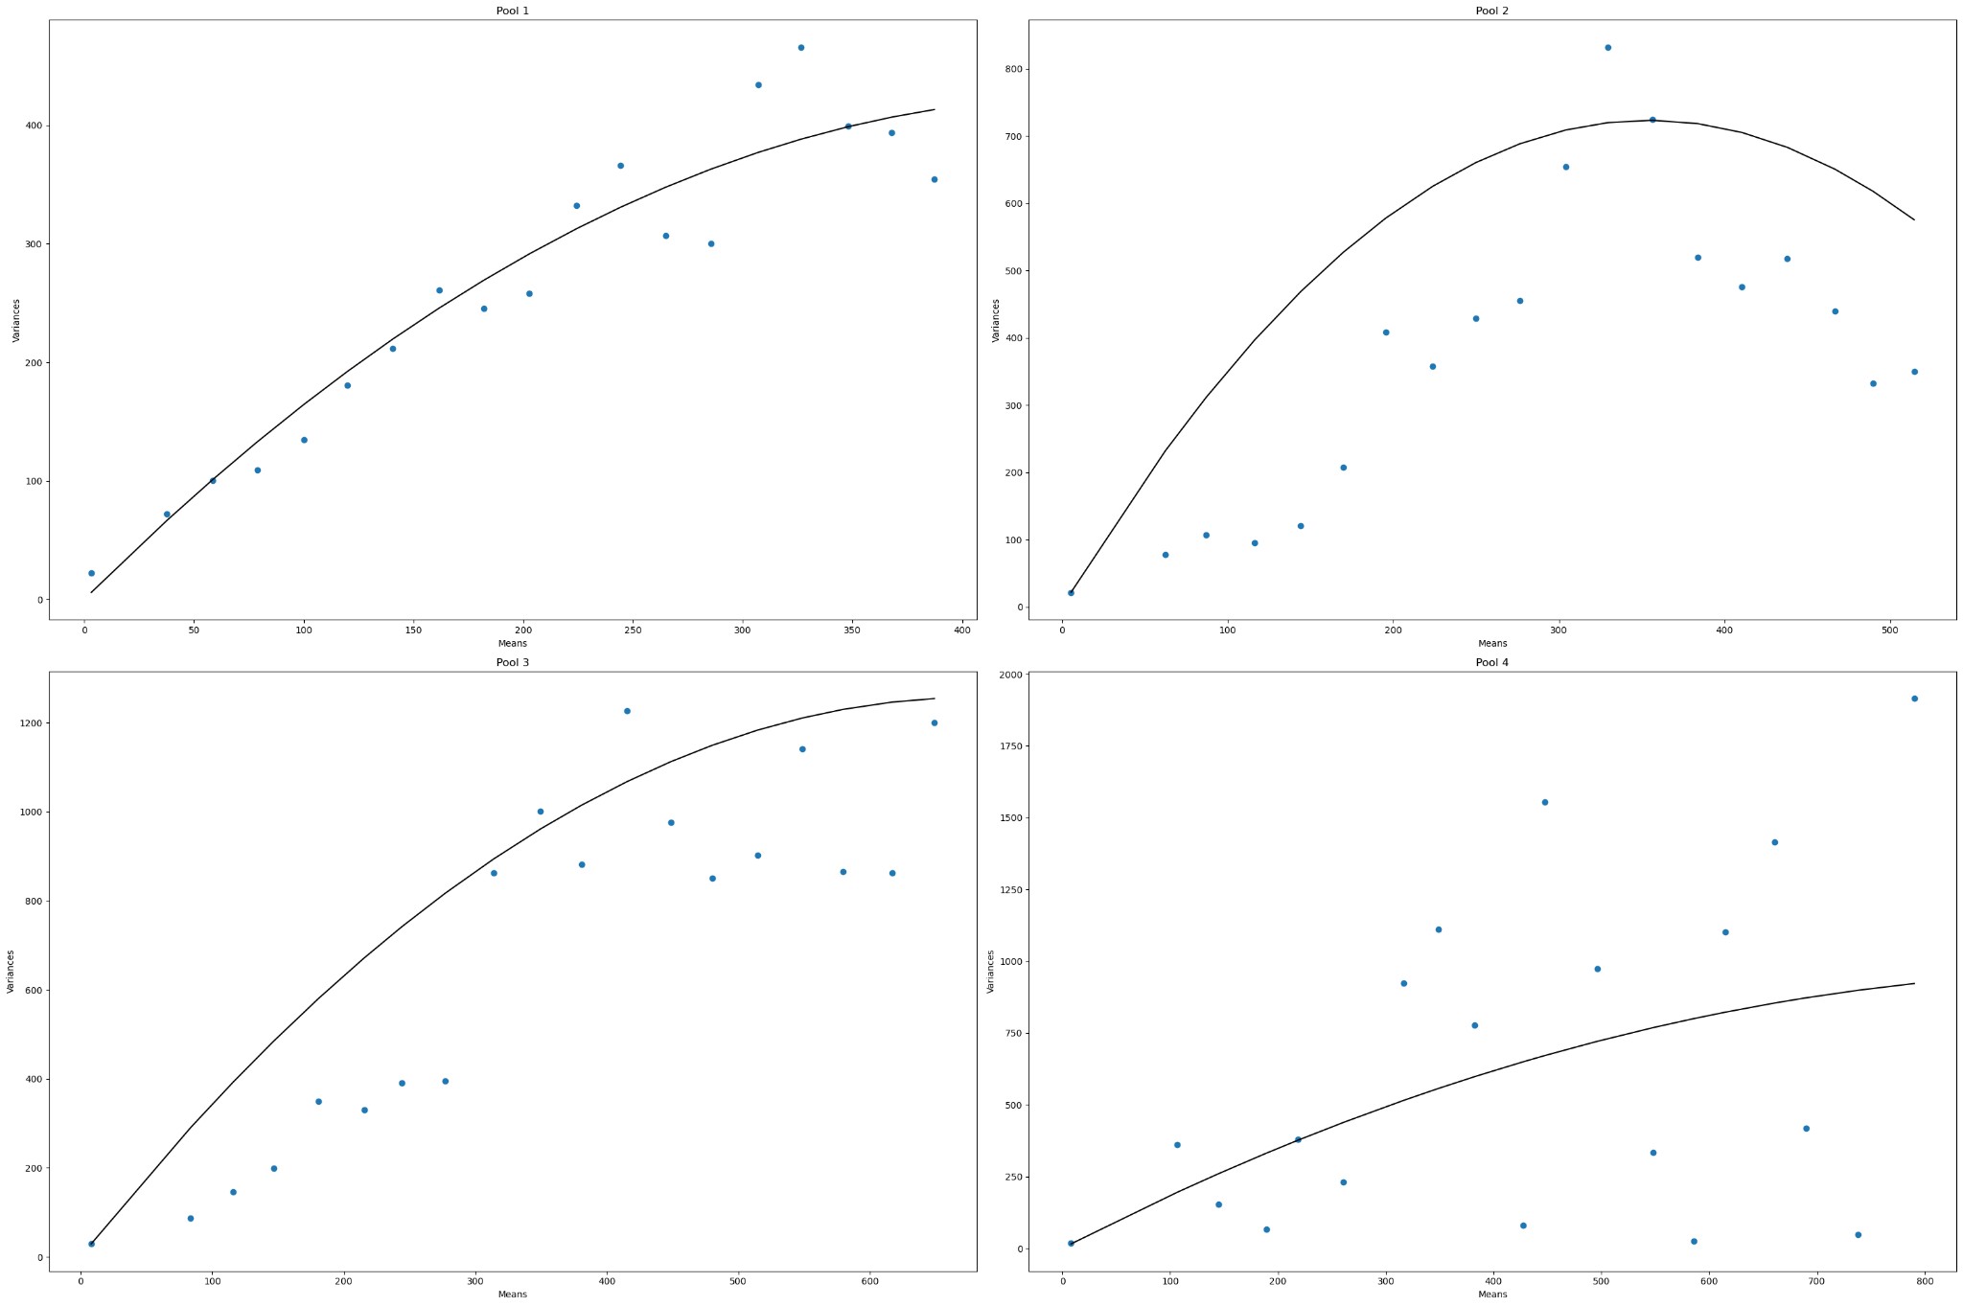
D1-MB-P4-B20
 | Pool Number | Unitary Current (i) | Channels (n)
 | 1 | 1.845 | 498
 | 2 | 4.084 | 173
 | 3 | 3.706 | 366
 | 4 | 1.935 | N/A

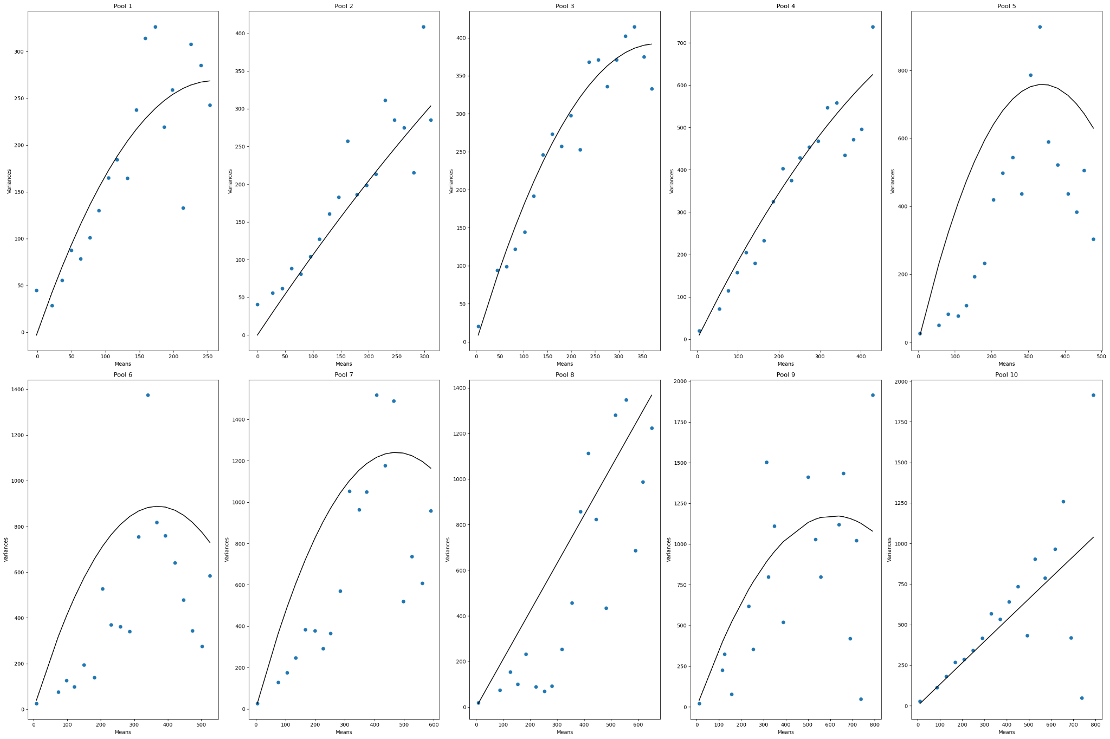
D1-MB-P10-B20
 | Pool Number | Unitary Current (i) | Channels (n)
 | 1 | 2.074 | 249
 | 2 | 1.109 | 2343
 | 3 | 2.072 | 365
 | 4 | 1.964 | 847
 | 5 | 4.489 | 150
 | 6 | 4.81 | 153
 | 7 | 5.427 | 180
 | 8 | 2.102 | N/A
 | 9 | 3.813 | 322
 | 10 | 1.324 | N/A

D4b-MA-B0
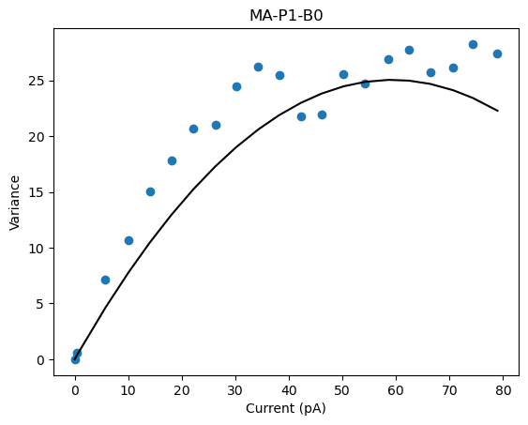
D4b-MA-P1-B0
 | Pool Number | Unitary Current (i) | Channels (n)
 | 1 | 0.845 | 139

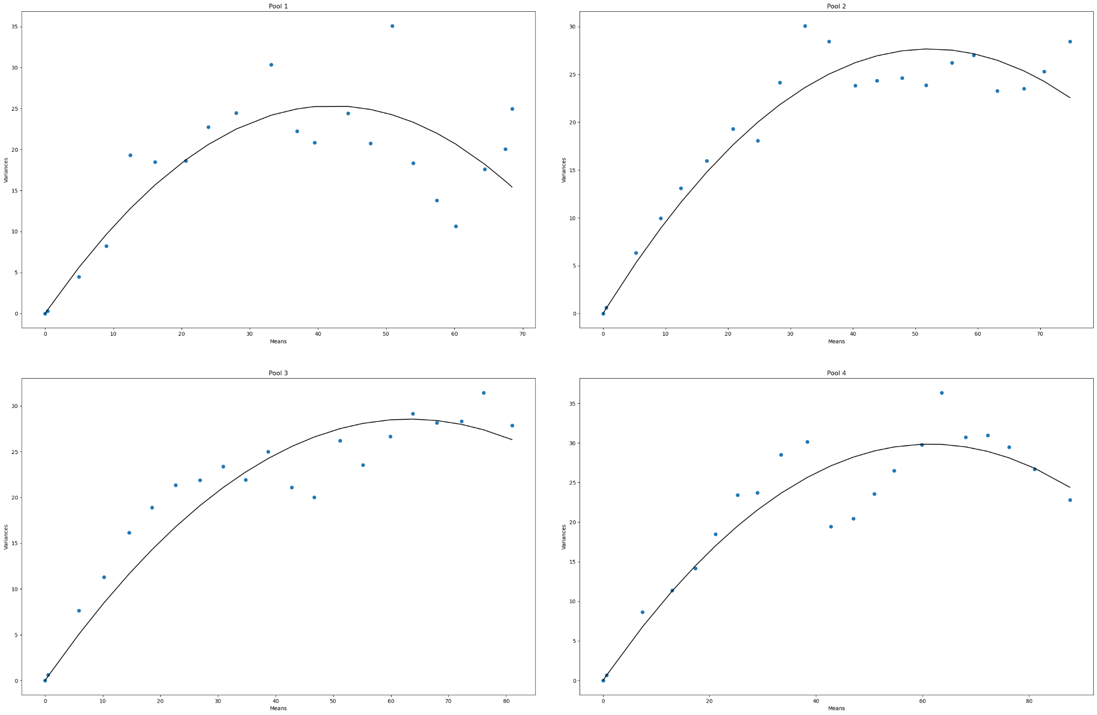
D4b-MA-P4-B0
 | Pool Number | Unitary Current (i) | Channels (n)
 | 1 | 1.203 | 70
 | 2 | 1.057 | 99
 | 3 | 0.902 | 140
 | 4 | 0.972 | 126

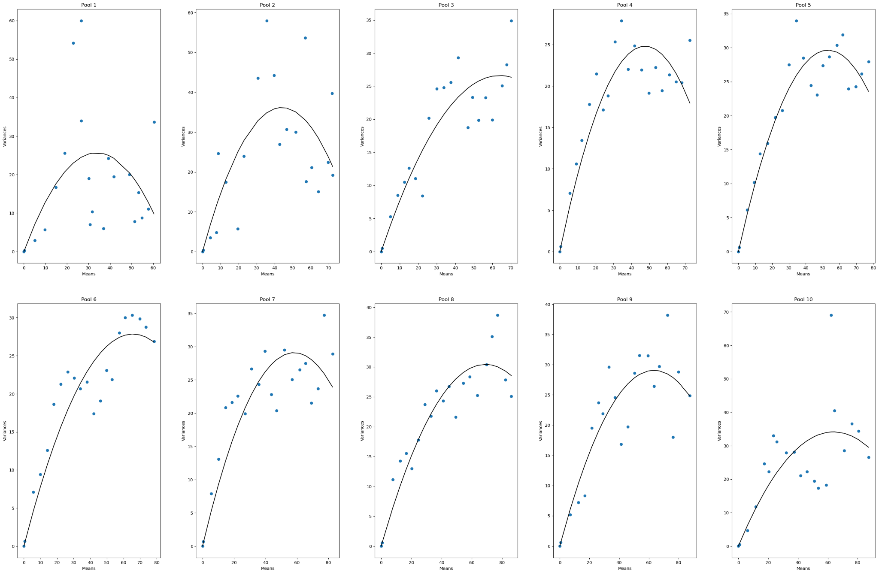
D4b-MA-P1-B0
 | Pool Number | Unitary Current (i) | Channels (n)
 | 1 | 1.519 | 44
 | 2 | 1.644 | 53
 | 3 | 0.833 | 153
 | 4 | 1.044 | 91
 | 5 | 1.116 | 95
 | 6 | 0.849 | 154
 | 7 | 1.002 | 116
 | 8 | 0.887 | 156
 | 9 | 0.916 | 138
 | 10 | 1.07 | 119

D4b-MB-BO
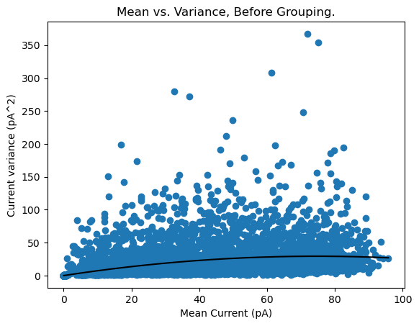
D4b-MB-P1-BO
 | Pool Number | Unitary Current (i) | Channels (n)
 | 1 | 0.787 | 189.771

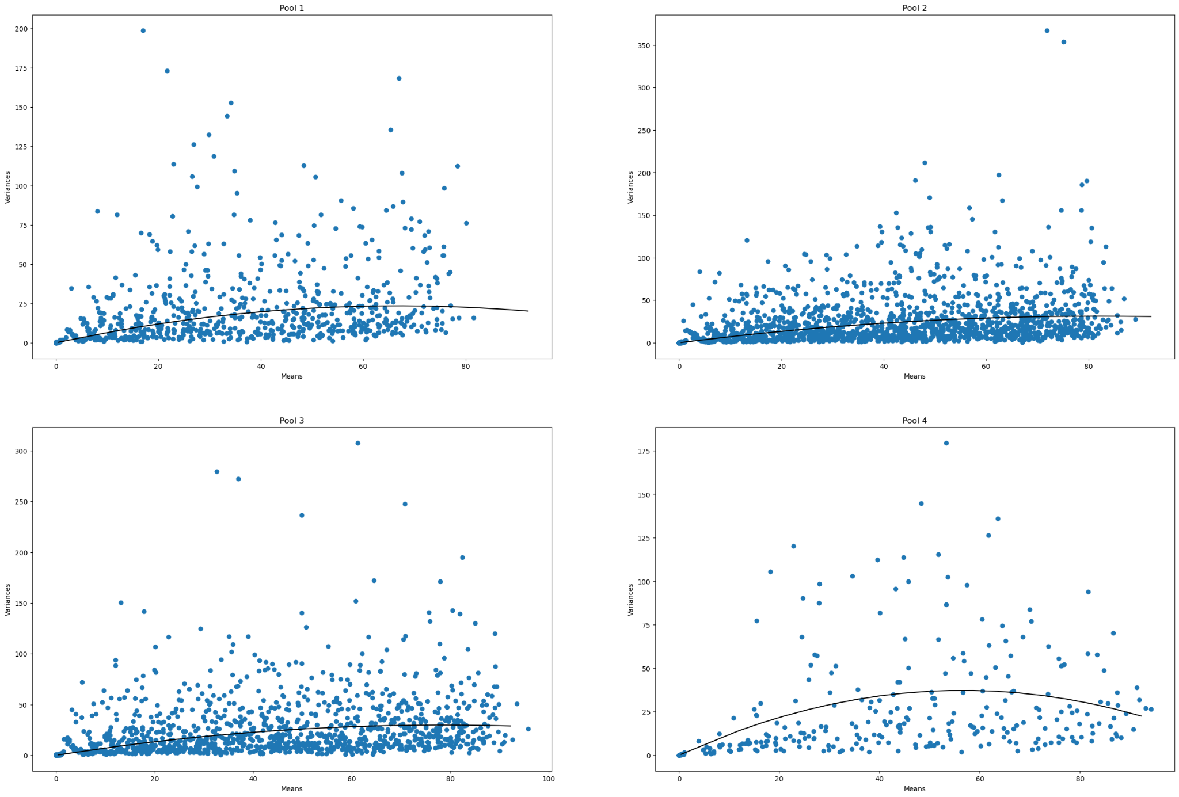
D4b-MB-P4-BO
 | Pool Number | Unitary Current (i) | Channels (n)
 | 1 | 0.702 | 190
 | 2 | 0.761 | 215
 | 3 | 0.759 | 206
 | 4 | 1.317 | 85

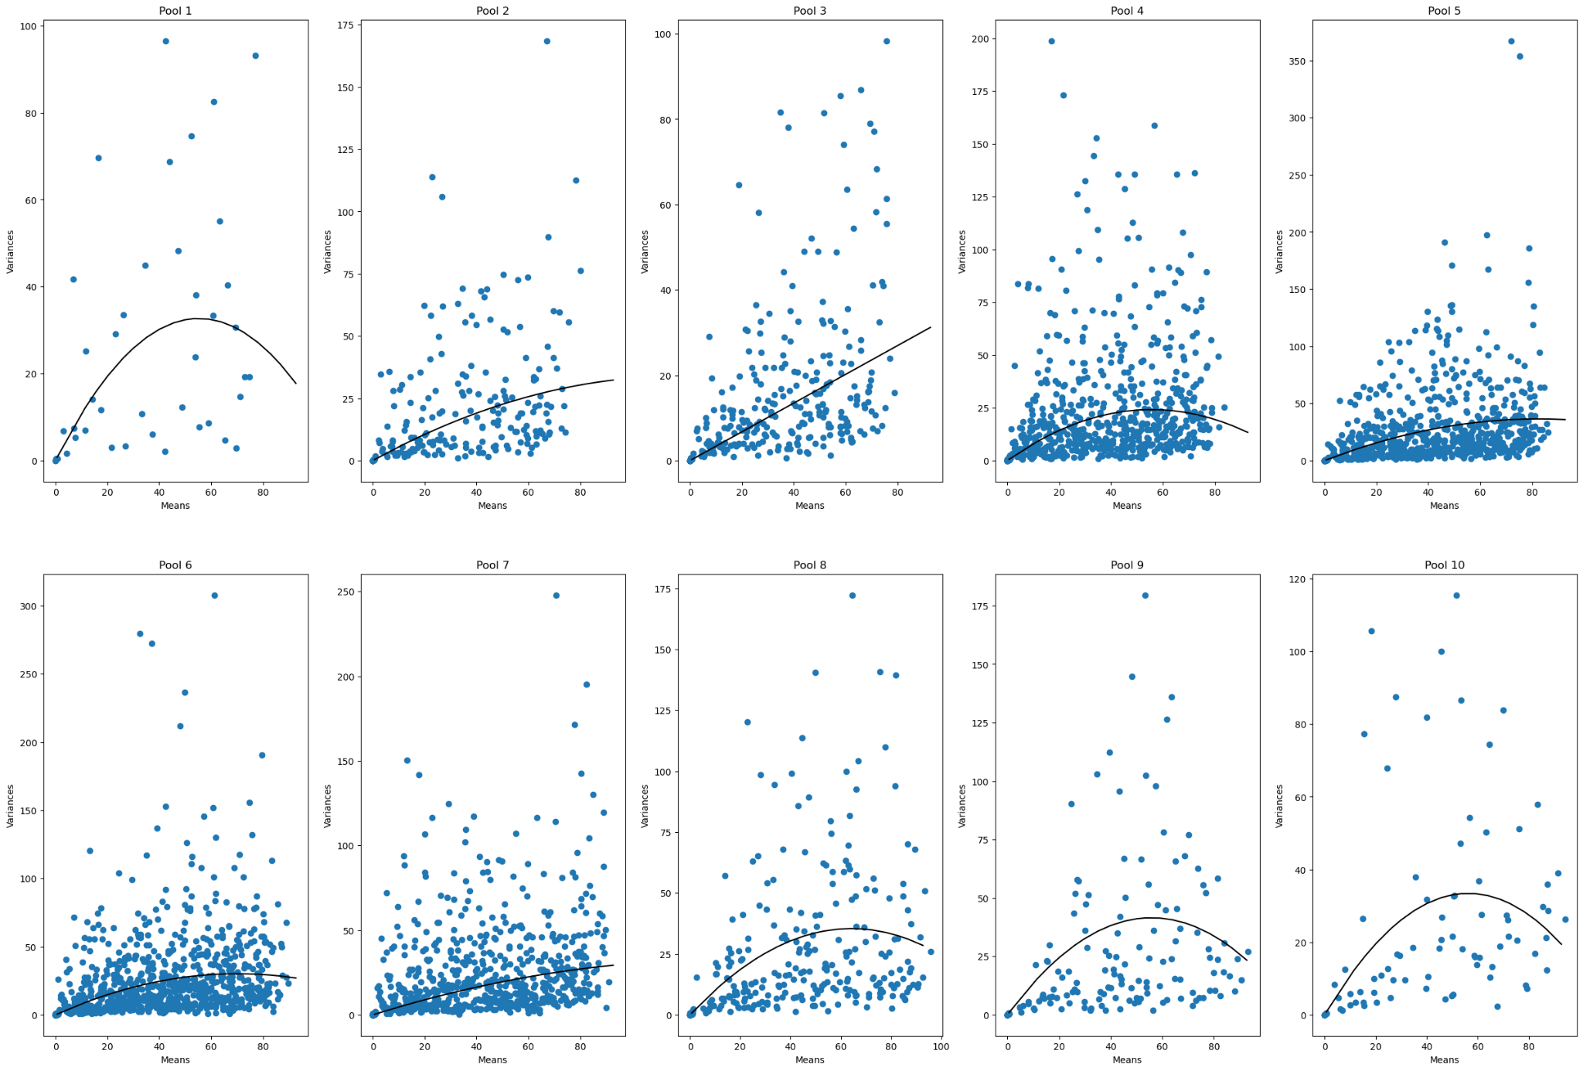
D4b-MB-P10-BO
 | Pool Number | Unitary Current (i) | Channels (n)
 | 1 | 1.181 | 93
 | 2 | 0.572 | 413
 | 3 | 0.336 | N/A
 | 4 | 0.87 | 127.778
 | 5 | 0.882 | 186.993
 | 6 | 0.86 | 163.086
 | 7 | 0.478 | 571
 | 8 | 1.101 | 116
 | 9 | 1.488 | 75
 | 10 | 1.187 | 94

D4b-MB-B20
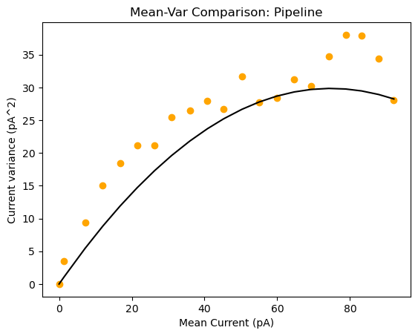
D4b-MB-P1-B20
 | Pool Number | Unitary Current (i) | Channels (n)
 | 1 | 0.799 | 187

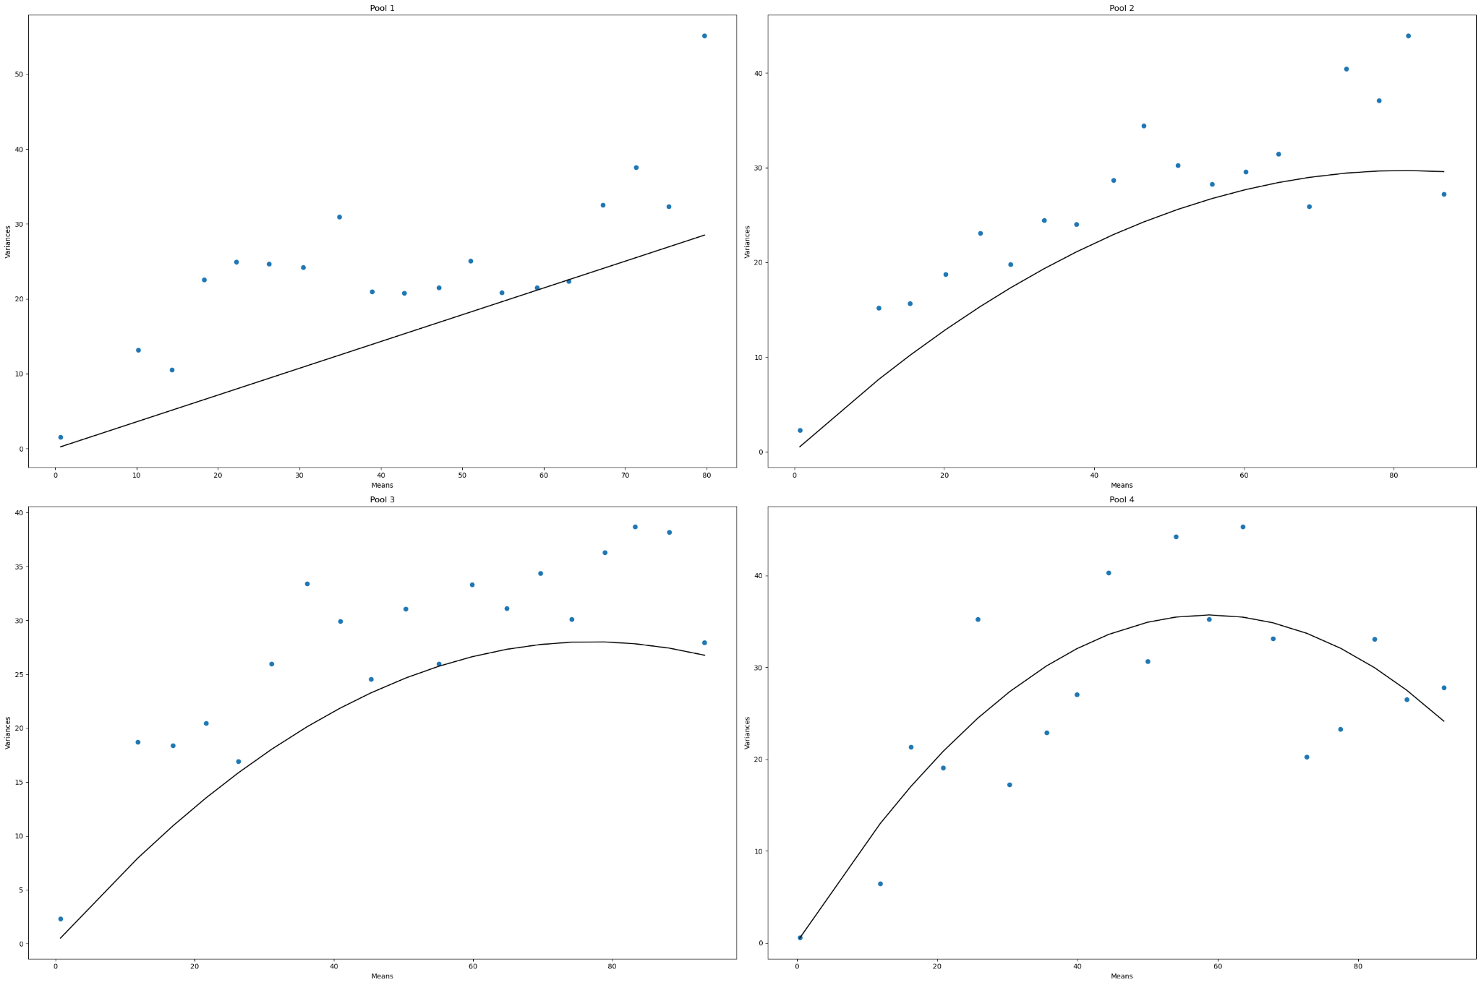
D4b-MB-P4-B20
 | Pool Number | Unitary Current (i) | Channels (n)
 | 1 | 0.358 | N/A
 | 2 | 0.73 | 232
 | 3 | 0.728 | 366
 | 4 | 1.216 | 96

D4b-MB-P10-B20
 | Pool Number | Unitary Current (i) | Channels (n)
 | 1 | 0.733 | 294
 | 2 | 0.546 | N/A
 | 3 | 0.405 | N/A
 | 4 | 0.691 | 192
 | 5 | 0.767 | 260
 | 6 | 0.772 | 198
 | 7 | 0.315 | N/A
 | 8 | 0.967 | 139
 | 9 | 1.585 | 68
 | 10 | 1.063 | 155

